Donation Terminals
 |  | Section A: Contactless Donation Terminals. For parishes aiming to increase donations (baptisms, weddings, events)

 |  | For more information visit: | https://www.parishbuying.org.uk/categories/giving-and-payments/solutions
 |  | Prices inclusive of VAT. Correct as of 19.05.2021

 |  | Provider | Hardware | Setup Fee | Monthly Service Fee | Transaction Fee | Battery Life | Mains Operable | Offline Donations | Suitable Unattended? | Comments
Church "Size" i.e. busyness | Small | Goodbox GBX Mini1 | £144 | £70 | £9.60 | 2.25% + 10p | 3 hours | Yes | Yes | No | Additional battery can be purchased for £18, providing 3 hours extra life.
 |  | Goodbox GBx Mini + Stand2 | £180 | £70 | £9.60 | 2.25% + 10p | 3 hours | Yes | Yes | No | Same as above but comes with a stand.
 |  | SumUp Air + Tablet3 | £80 | N/A | No but needs mobile network | 1.10% | 500 Tx | Yes | No | No | SumUp Stand can be purchased for £10. Tablet must be mobile interent. Pricing assumes tablet is purchased for £60.
 |  | A920 Payacharity4 | £119 | - | £11.94 | 1.29%* | - | Yes | Yes | No | *Minimum 10p per donation. You will not own the device (rented). Minimum 12-month contract.
 | Small- Medium | Goodbox Goodplate + GBx Mini5 | £240 | £70 | £9.60 | 2.25% + 10p | 3 Hours | Yes | Yes | No | 60-day Money Back Guarantee. Goodplate Powder White - £198. Goodbox Brass - £294.
 |  | Payaz Passbox6 | £276 | £0 | £0.00 | 1.10% | >>> | Yes | No | No | Package includes a Sumup + tablet. Battery life depends on Sumup usage and tablet.
 |  | Payaz Giving Station7 | £359 | £0 | £0 | 1.10% | >>>> | Yes | No | Yes | Package includes a Sumup + tablet. Battery life depends on Sumup usage and tablet.
 |  | CollecTin8 | £359 | £0 | £2.50 | 1.10% | >>>> | Yes | No | Yes | Package includes a Sumup + tablet. Battery life depends on Sumup usage and tablet.
 | Medium - Large | Payacharity Platform9 | £866-£891 | £36 | £16 | 2.49% | >>>> | Yes | Yes | Yes | Price range reflects range of stands available.
 |  | GW Devices - Midi10 | £839 | £60 | £15 | 2.95% | - | Yes | No | Yes | Basic model only has Wifi connectivity. Mobile option is an extra £90 plus £10/month.

¹Goodbox GBX Mini
²GBx Mini + Stand
³Sumup Air + Tablet
⁴Payacharity A920
⁵Goodplate + GBX Mini
⁶Payaz Passbox
⁷Payaz Paystation
⁸ConnecTin
⁹Payacharity Platform
¹⁰GWD Midi
⁹Goodbox Pro

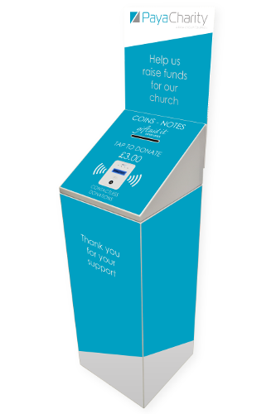
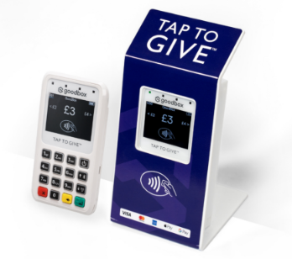
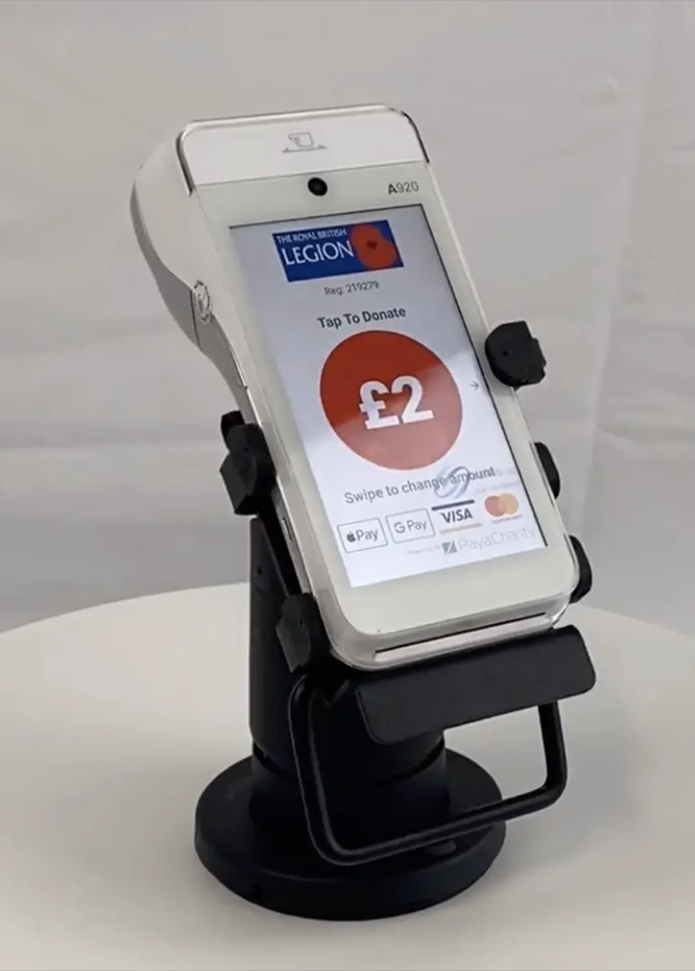
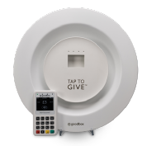
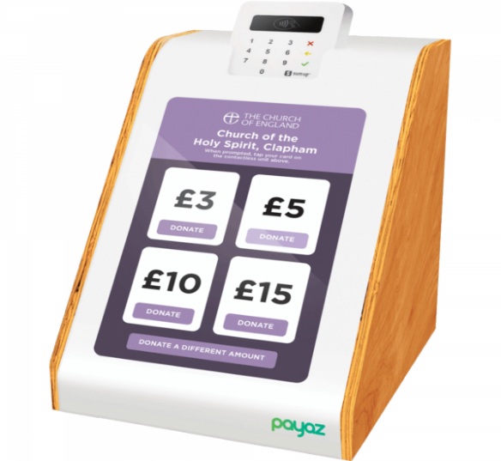
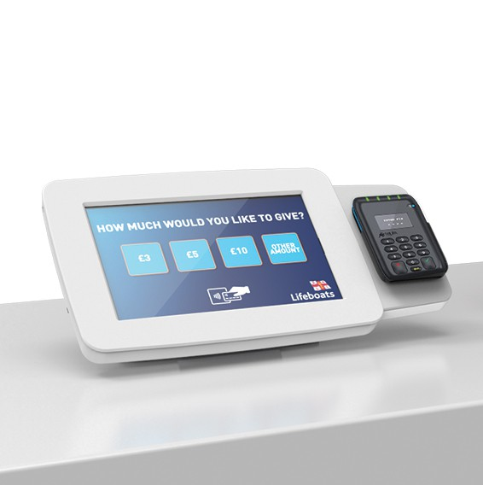
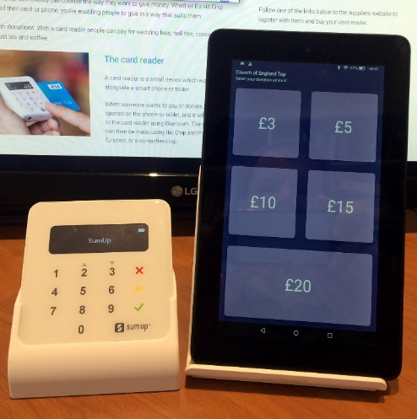
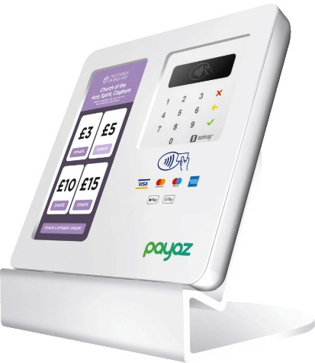

 | Scroll across >>> >>>>>>>>>>>>>>>>> |  |  |  | >>>>>>>>>>>>>>>>>>>>>>>>>> |  |  | >>>>>>>>>>>>>>>>>>>>>>>> |  |  |  | >>>>>>>>>>>>>>>>>>>>>>>>>>>>>>>>>>>>>>>>>>>>>>>>>>>>>>>>>>>>>>>>>>> | >>>>>>>>>>>>>>>>>>>>>>>>>>

Payment Terminals
Section B: Contactless Payment Terminals. For parishes aiming to offer a card payment option (shop, events, tickets, etc).

For more information visit: | https://www.parishbuying.org.uk/categories/contactless-donations/attended-units
Prices inclusive of VAT. Correct as of 10.02.2021

Provider | Hardware | Battery Life (Transactions) | Transaction Fee | Digital Receipts | Chip & Pin | Inbuilt Connectivity | Link to Review
SumUp Air1 | £23 | 500 Tx | 1.10% | Yes | Yes | Requires Tablet/Phone | https://www.mobiletransaction.org/sumup-review/
iZettle Reader 22 | £35 | >250 Tx | 1.25% | Yes | Yes | Requires Tablet/Phone | https://www.mobiletransaction.org/izettle-review-uk/
Sumup 3G3 | £119 | 50 Tx | 1.25% | Yes | Yes | Yes, 3G | https://www.mobiletransaction.org/sumup-3g-review/
Goodbox GBX Mini4 | £144 | TBD | 2.25% + 10p | Yes | Yes | Yes, 3G | TBD

Sumup Air¹
iZettle Reader 2²
Sumup 3G³
Goodbox Mini⁴

