Donation Terminals
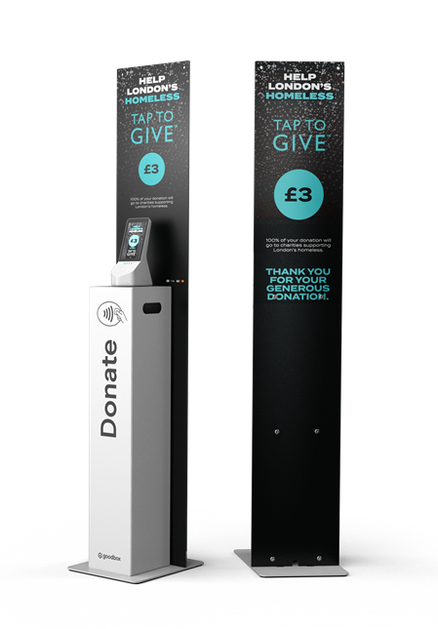
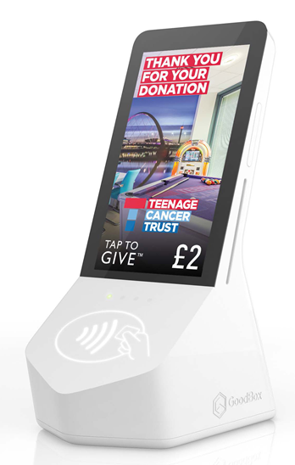
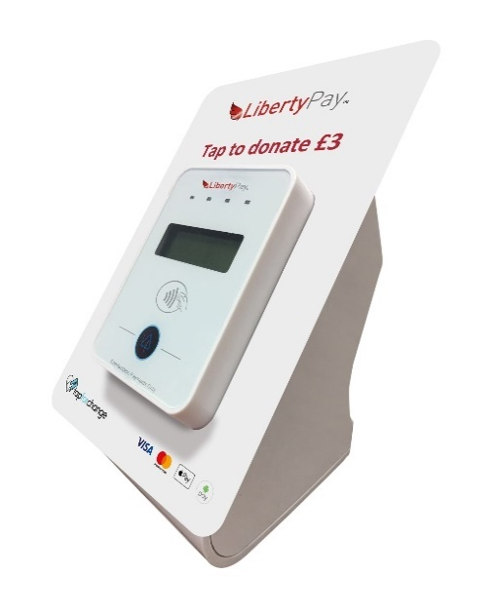
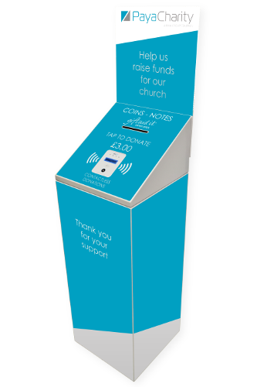
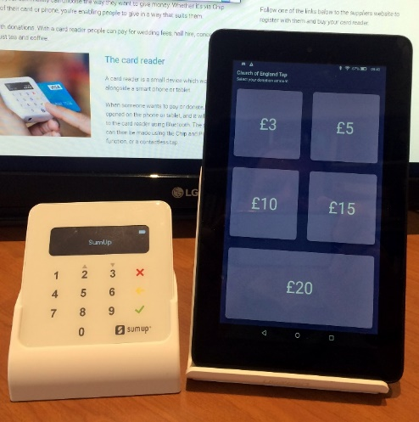
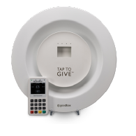
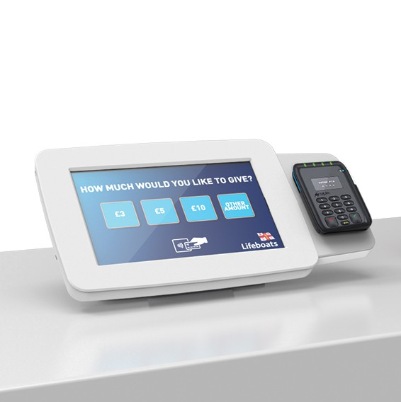
 |  | Section A: Contactless Donation Terminals. For parishes aiming to increase donations (baptisms, weddings, events)

 |  | For more information visit: | https://www.parishbuying.org.uk/categories/contactless-donations/self-service-units/tabletop-units
 |  | Prices inclusive of VAT. Correct as of 16.07.2020

 |  | Provider | Hardware | Setup Fee | Monthly Service Fee | Transaction Fee | Battery Life | Mains Operable | Offline Donations | Interactive Screen | Comments
Church "Size" i.e. busyness | Small | Goodbox GBX Mini1 | £144 | £70 | £9.60 | 2.25% + 10p | 3 hours | Yes | Yes | No | Additional battery can be purchased for £18, providing 3 hours extra life.
 |  | SumUp Air + Tablet2 | £139 | N/A | None | 1.10% | 500 Tx | Yes | No | No | SumUp Stand can be purchased for £10. Tablet must be mobile interent enabled or have Wifi connection.
 | Small- Medium | Goodbox Goodplate + GBx Mini3 | £240 | £70 | £9.60 | 2.25% + 10p | 3 Hours | Yes | Yes | No | 60-day Money Back Guarantee. Goodplate Powder White - £198. Goodbox Brass - £294.
 |  | Goodbox GBx Core4 | £390 | £70 | £12 | 2.25% + 10p | 4 hours | Yes | Yes | Yes | 60-day Money Back Guarantee. Additional battery handle can be purchased for £60, providing extra 6 hours life. Goodbox may charge a minimum of 1 hr design fee (£30/hr), depending on your needs.

 |  | Payacharity (Payter)5 | £455 | £36 | £16 | 2.49% | 8 hours | Yes | Yes | No | Cheaper mains powered model available. Table mounted stand can be purchased for £65.
 | Medium - Large | Payacharity (Payter) + Platform6 | £866-£891 | £36 | £16 | 2.49% | 8 hours | Yes | Yes | No | Price range reflects range of stands available.
 |  | GW Devices - Midi7 | £839 | £60 | £15 | 2.95% | - | Yes | No | Yes | Basic model only has Wifi connectivity. Mobile option is an extra £90 plus £10/month.
 |  | Goodbox Core + Podium8 | £1,110 | £70 | £12 | 2.25% + 10p | 5 hours | Yes | Yes | Yes | 60-day Money Back Guarantee. Price includes GBx Core and Podium. Retrofittable.
 |  | Goodbox Core + Podium w Cash Box8 | £1,320 | £70 | £12 | 2.25% + 10p | 5 hours | Yes | Yes | Yes | 60-day Money Back Guarantee. Price includes GBx Core and Podium. Retrofittable. Cash Box included.

¹Goodbox GBX Mini
²Sumup Air + Tablet
³Goodplate + GBX Mini
⁴Goodbox GBX Core
⁵Payacharity
⁶Payacharity Platform
⁷GWD Midi
⁸Goodbox Podium
⁹Goodbox Pro

Payment Terminals
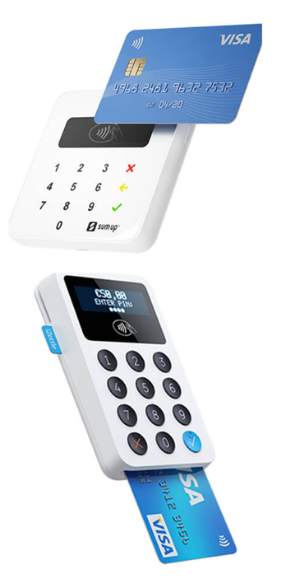
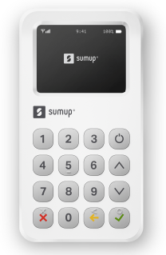
Section B: Contactless Payment Terminals. For parishes aiming to offer a card payment option (shop, events, tickets, etc).

For more information visit: | https://www.parishbuying.org.uk/categories/contactless-donations/attended-units
Prices inclusive of VAT. Correct as of 16.07.2020

Provider | Hardware | Battery Life (Transactions) | Transaction Fee | Digital Receipts | Chip & Pin | Inbuilt Connectivity | Link to Review
SumUp Air1 | £23 | 500 Tx | 1.10% | Yes | Yes | Requires Tablet/Phone | https://www.mobiletransaction.org/sumup-review/
iZettle Reader 22 | £35 | >250 Tx | 1.25% | Yes | Yes | Requires Tablet/Phone | https://www.mobiletransaction.org/izettle-review-uk/
Sumup 3G3 | £119 | 50 Tx | 1.25% | Yes | Yes | Yes, 3G | https://www.mobiletransaction.org/sumup-3g-review/
Goodbox GBX Mini4 | £144 | TBD | 2.25% + 10p | Yes | Yes | Yes, 3G | TBD

Sumup Air¹
iZettle Reader 2²
Sumup 3G³
Goodbox Mini⁴

